Sheet1
CROSSTABS
/TABLES=Q6 BY Q19 Q19_b_5 Q19_b_4 Q19_b_3 Q19_b_2 Q19_b_1
/FORMAT=AVALUE TABLES
/CELLS=COUNT
/COUNT ROUND CELL
/BARCHART.

Crosstabs

Notes
Output Created |  | 27-JUN-2020 15:47:24
Input | Data | C:\Users\dsmuo\OneDrive - Loughborough University\SPSS RESULTS\results-for-understanding- 1.sav
 | Active Dataset | DataSet9
 | File Label | File created by user 'bos2' at Wed Apr 29 17:09:03 2020
 | Filter | <none>
 | Weight | <none>
 | Split File | <none>
 | N of Rows in Working Data File | 201
Missing Value Handling | Definition of Missing | User-defined missing values are treated as missing.
 | Cases Used | Statistics for each table are based on all the cases with valid data in the specified range(s) for all variables in each table.
Syntax |  | CROSSTABS /TABLES=Q6 BY Q19 Q19_b_5 Q19_b_4 Q19_b_3 Q19_b_2 Q19_b_1 /FORMAT=AVALUE TABLES /CELLS=COUNT /COUNT ROUND CELL /BARCHART.
Resources | Processor Time | 00:00:00.69
 | Elapsed Time | 00:00:00.69
 | Dimensions Requested | 2
 | Cells Available | 524245

Case Processing Summary
 | Cases
 | Valid |  | Missing |  | Total
 | N | Percent | N | Percent | N | Percent
Please choose from the list below, the one that best suits your years of design experience * In your design, did you consider Additive Manufacturing process and parameters? See "more info" for further information | 117 | 58.2% | 84 | 41.8% | 201 | 100.0%
Please choose from the list below, the one that best suits your years of design experience * From the list below, please select the parameter(s) you considered for the Additive Manufacturing process above. - Run time | 63 | 31.3% | 138 | 68.7% | 201 | 100.0%
Please choose from the list below, the one that best suits your years of design experience * From the list below, please select the parameter(s) you considered for the Additive Manufacturing process above. - Material Specification | 76 | 37.8% | 125 | 62.2% | 201 | 100.0%
Please choose from the list below, the one that best suits your years of design experience * From the list below, please select the parameter(s) you considered for the Additive Manufacturing process above. - Cost | 71 | 35.3% | 130 | 64.7% | 201 | 100.0%
Please choose from the list below, the one that best suits your years of design experience * From the list below, please select the parameter(s) you considered for the Additive Manufacturing process above. - Temperature | 37 | 18.4% | 164 | 81.6% | 201 | 100.0%
Please choose from the list below, the one that best suits your years of design experience * From the list below, please select the parameter(s) you considered for the Additive Manufacturing process above. - Other | 3 | 1.5% | 198 | 98.5% | 201 | 100.0%

Please choose from the list below, the one that best suits your years of design experience * In your design, did you consider Additive Manufacturing process and parameters? See "more info" for further information Crosstabulation
Count
 |  | In your design, did you consider Additive Manufacturing process and parameters? See "more info" for further information |  | Total
 |  | No | Yes
Please choose from the list below, the one that best suits your years of design experience | 9 years and above | 4 | 11 | 15
 | 4 - 8 years | 10 | 35 | 45
 | 0 - 3 years | 17 | 40 | 57
Total |  | 31 | 86 | 117

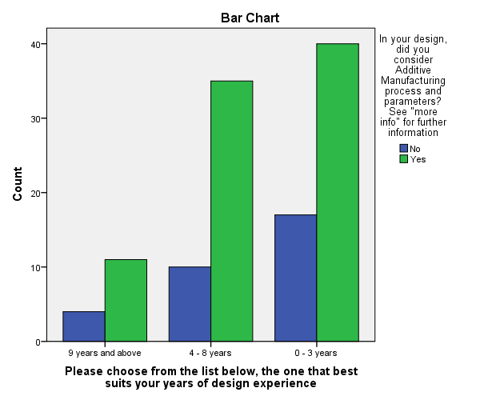
Please choose from the list below, the one that best suits your years of design experience * From the list below, please select the parameter(s) you considered for the Additive Manufacturing process above. - Run time Crosstabulation
Count
 |  | From the list below, please select the parameter(s) you considered for the Additive Manufacturing process above. - Run time | Total
 |  | Run time
Please choose from the list below, the one that best suits your years of design experience | 9 years and above | 8 | 8
 | 4 - 8 years | 26 | 26
 | 0 - 3 years | 29 | 29
Total |  | 63 | 63

Please choose from the list below, the one that best suits your years of design experience * From the list below, please select the parameter(s) you considered for the Additive Manufacturing process above. - Material Specification Crosstabulation
Count
 |  | From the list below, please select the parameter(s) you considered for the Additive Manufacturing process above. - Material Specification | Total
 |  | Material Specification
Please choose from the list below, the one that best suits your years of design experience | 9 years and above | 11 | 11 |  |  |  | 0-3 years
 | 4 - 8 years | 31 | 31 |  |  |  | 4 - 8 years
 | 0 - 3 years | 34 | 34 |  |  |  | 9 years and above
Total |  | 76 | 76

Please choose from the list below, the one that best suits your years of design experience * From the list below, please select the parameter(s) you considered for the Additive Manufacturing process above. - Cost Crosstabulation
Count
 |  | From the list below, please select the parameter(s) you considered for the Additive Manufacturing process above. - Cost | Total
 |  | Cost
Please choose from the list below, the one that best suits your years of design experience | 9 years and above | 11 | 11
 | 4 - 8 years | 28 | 28
 | 0 - 3 years | 32 | 32
Total |  | 71 | 71

Please choose from the list below, the one that best suits your years of design experience * From the list below, please select the parameter(s) you considered for the Additive Manufacturing process above. - Temperature Crosstabulation
Count
 |  | From the list below, please select the parameter(s) you considered for the Additive Manufacturing process above. - Temperature | Total
 |  | Temperature
Please choose from the list below, the one that best suits your years of design experience | 9 years and above | 4 | 4
 | 4 - 8 years | 17 | 17
 | 0 - 3 years | 16 | 16
Total |  | 37 | 37

Please choose from the list below, the one that best suits your years of design experience * From the list below, please select the parameter(s) you considered for the Additive Manufacturing process above. - Other Crosstabulation
Count
 |  | From the list below, please select the parameter(s) you considered for the Additive Manufacturing process above. - Other | Total
 |  | Other
Please choose from the list below, the one that best suits your years of design experience | 9 years and above | 1 | 1
 | 0 - 3 years | 2 | 2
Total |  | 3 | 3

